Step 2.2 - 2.4(a)
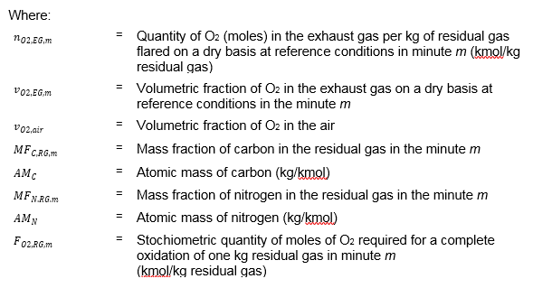
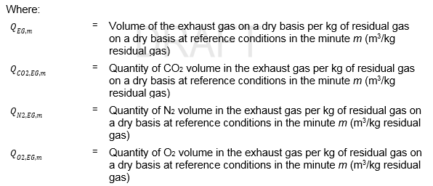
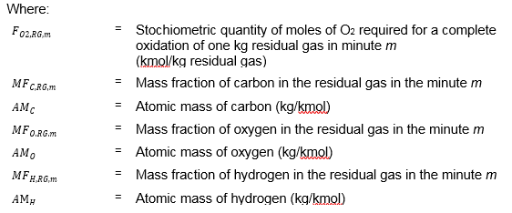
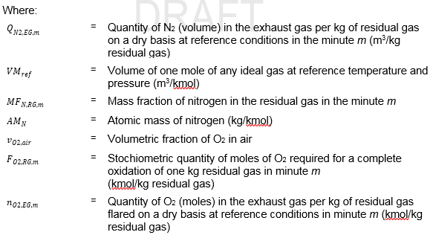
TOOL06 Project emissions from flaring

STEP 2.2. Determination of the volumetric flow rate of the exhaust gas

Equation (4) |  |  |  |  |  |  |  | Equation (11)
 | = | 9371.37 |  | m3 / h |  |  |  |  | = | 0.75 | m3 / kg residual gas

Equation (8) |  |  |  |  |  |  |  | Equation (12)
 | = | 7.79 |  | m3 / kg residual gas |  |  |  |  |  |  |  | = | 0.034751872272 | kmol O2 / kg residual gas

Equation (9) |  |  |  |  |  |  |  | Equation (13)
 | = | 0.78 | m3 / kg residual gas |  |  |  |  |  | = | 0.04 | kmol O2 / kg residual gas

Equation (10)
 |  |  |  |  | = | 6.26 | m3 / kg residual gas

Step 2.4(b)
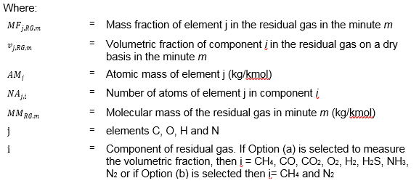
TOOL06 Project emissions from flaring

STEP 2.4 (b). Determination of the mass fraction of carbon, hydrogen, oxygen and nitrogen in the residual gas

Equation (14) j = carbon |  |  |  | Equation (14) j = oxygen
 | = | 0.40 | % m/m |  | = | 0.47 | % m/m

Equation (14) j = hydrogen |  |  |  | Equation (14) j = nytrogen
 | = | 0.08 | % m/m |  | = | 0.04 | % m/m

 |  |  |  |  |  | 1.00

